Sheet1
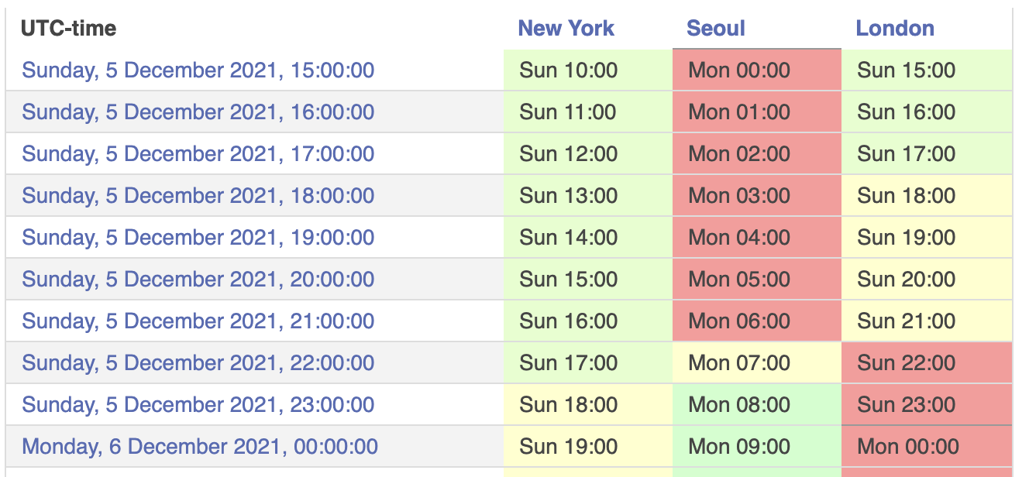
 | EST
 | TA | GINA | DAVID | SERGII
Sunday (12/5) | Time |  |  |  | Group # | Zoom link
 | 9:00:00
 | 9:30:00
 | 10:00:00
 | 10:30:00
 | 11:00:00
 | 11:30:00
 | 12:00:00
 | 12:30:00
 | 13:00:00

 | 16:00:00
 | 16:30:00
 | 17:00:00
 | 17:30:00
 | 18:00:00

Monday (12/6) | Time |  |  |  | Group # | Zoom link
 | 11:00:00
 | 11:30:00
 | 12:00:00
 | 12:30:00

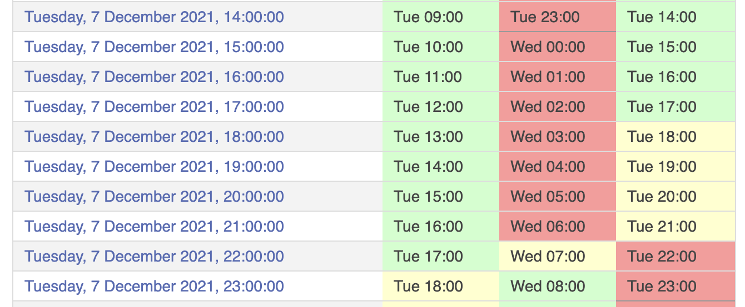
Tuesday (12/7) | Time |  |  |  | Group # | Zoom link
 | 10:00:00
 | 10:30:00
 | 11:00:00
 | 11:30:00

 | 14:00:00
 | 14:30:00
 | 15:00:00
 | 15:30:00

 | 17:00:00
 | 17:30:00
 | 18:00:00
 | 18:30:00
 | 19:00:00
 | 19:30:00

